Objective 3 Results
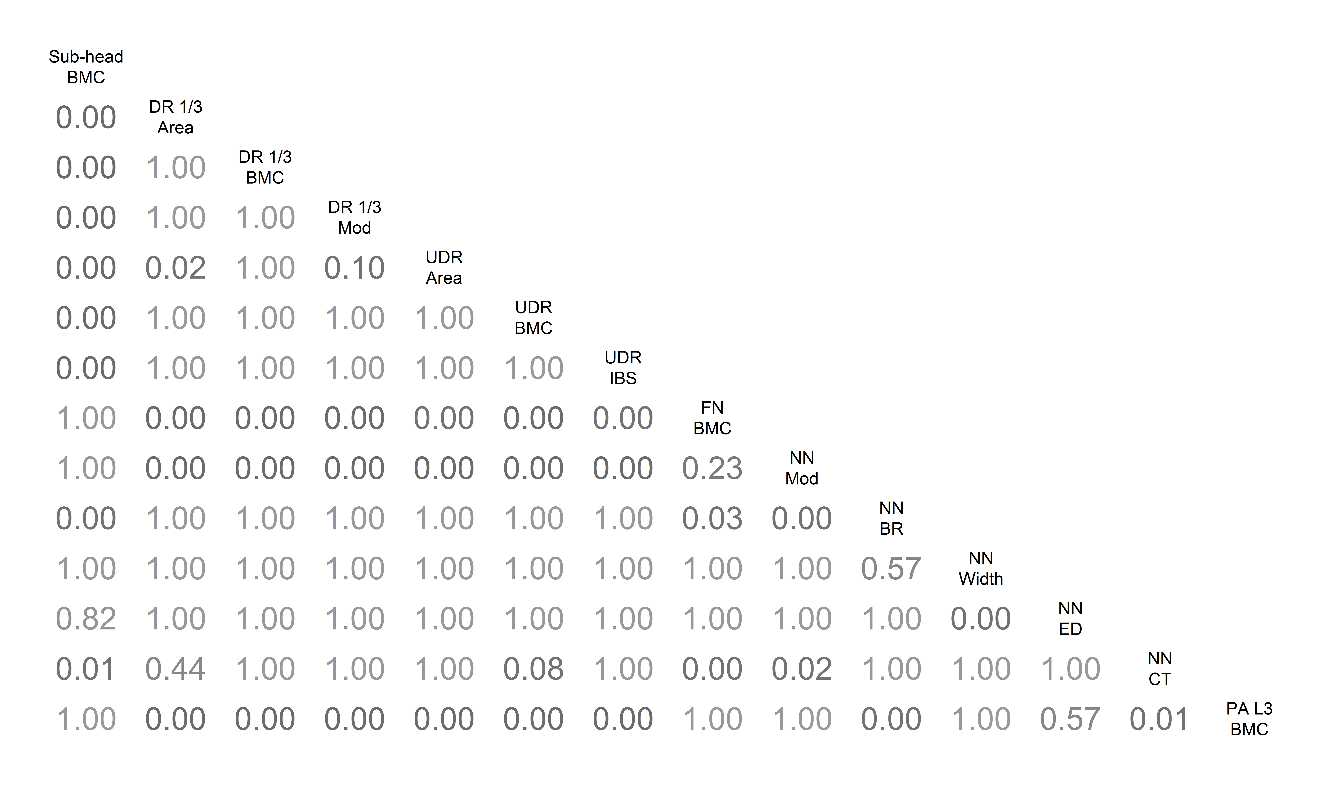

Sub head | Sub-head BMC | 28.3 | 0.089 | 0.948 | 0.347
Arm | DR 1/3 Area | 0.242 | 0.802 | 4.499 | 0
Arm | DR 1/3 BMC | 0.188 | 0.595 | 4.745 | 0
Arm | DR 1/3 Mod | 0.062 | 0.333 | 3.103 | 0.003
Arm | UDR Area | 0.263 | 0.788 | 5.643 | 0
Arm | UDR BMC | 0.276 | 0.821 | 6.02 | 0
Arm | UDR IBS | 0.07 | 0.819 | 5.957 | 0
Hip | FN BMC | 0.113 | 0.17 | 1.304 | 0.198
Hip | NN Mod | 0.026 | 0.099 | 0.732 | 0.467
Hip | NN BR | -1.01 | -0.788 | -3.892 | 0
Hip | NN Width | -0.111 | -0.525 | -2.832 | 0.006
Hip | NN ED | -0.14 | -0.629 | -3.144 | 0.003
Hip | NN CT | 0.016 | 0.437 | 2.992 | 0.004
Spine | PA L3 BMC | 0.242 | 0.069 | 0.641 | 0.523

